Sheet1
Title: problem with portfolio information in Mozzila
 | Reporter | Ivelina Valkova
Tested with username: no username | Assignee | none
User system role(s): regular | Severity | Medium
 | Priority | unknown
Environment: production | Date | 2023-04-19

Steps to reproduce:
Given: user has access to "https://www.melontech.com/" via Mozzila
When: user clicks on "Work" tab in the navigation menu
And: clicks on "Portfolio" link
Then: user doesn't see any information |  | Mozilla | Chrome
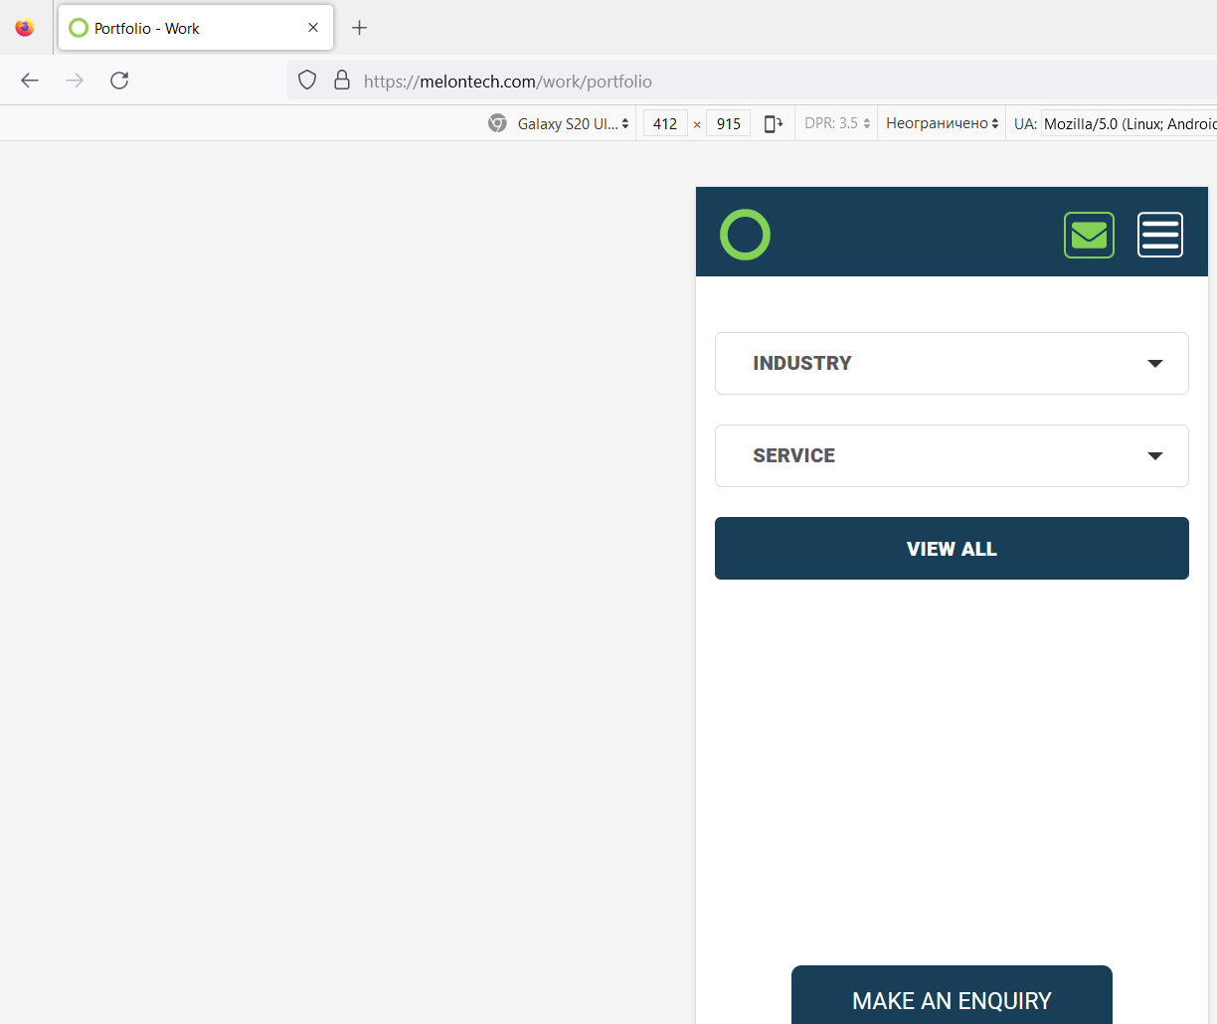
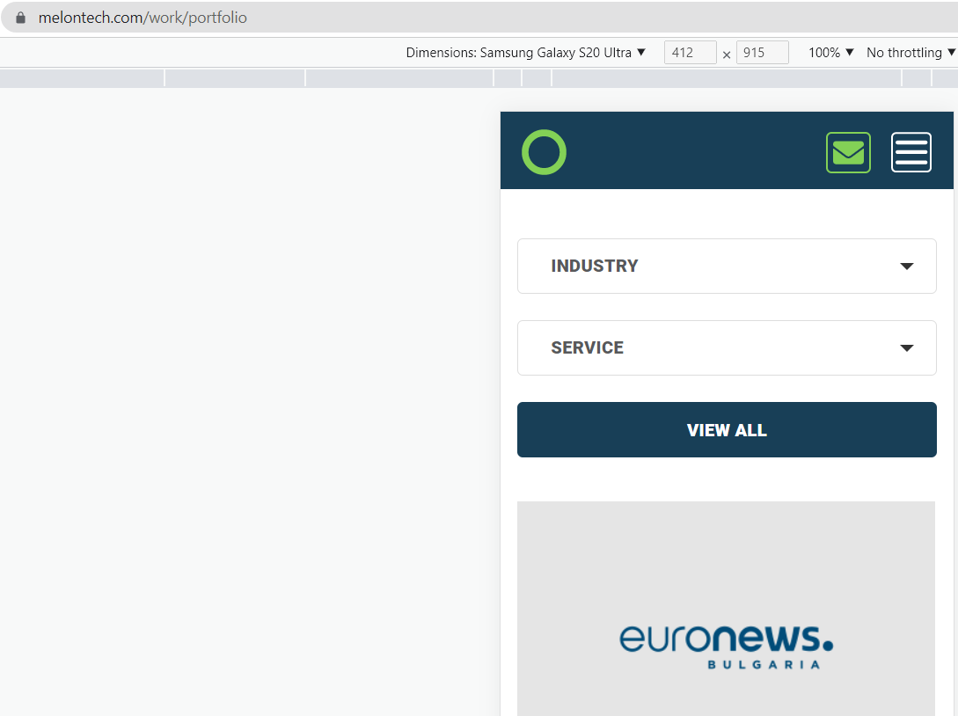
Expected Result: user should see information in Mozilla like he sees in Chrome, for example
Notes: simulating Samsung Galaxy S20 Ultra
Attachments:

Is it a blocker or there is a workaround: Not a blocker, no workaround
How often does this happen (select with X):
[X] every time
[] from time to time ( more than 50-90% of the time)
[ ] rarely ( less than 1-50% of the time )
[ ] once

